summary
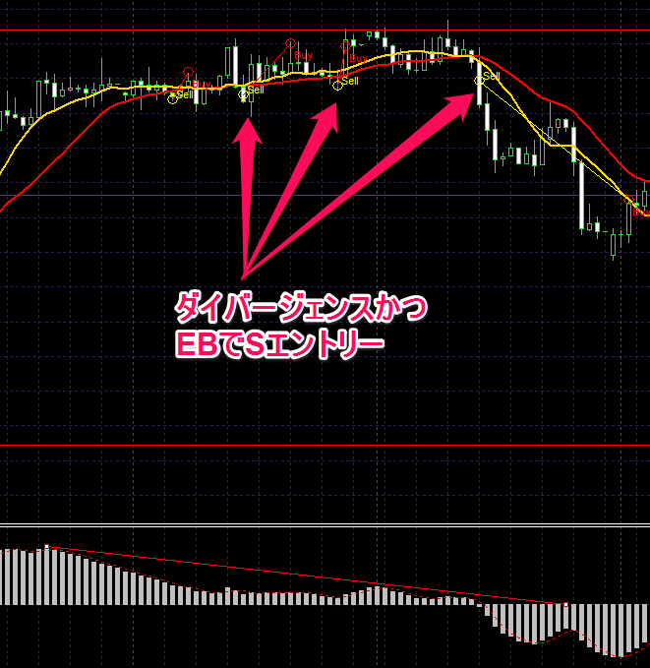
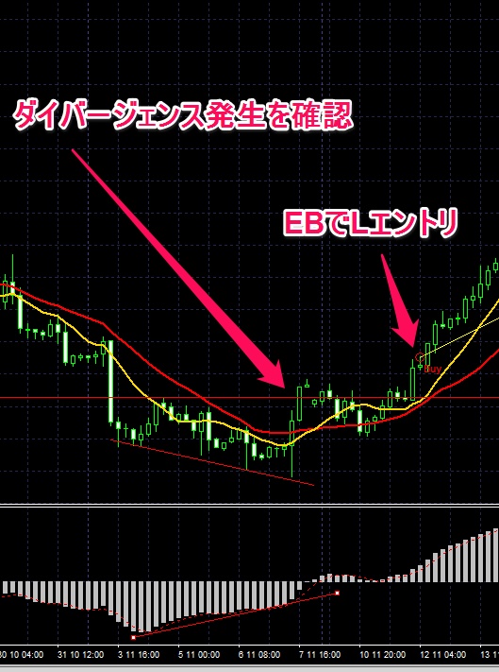
Equity
 | 10,000
 | 9,500
 | 10,228
 | 11,491
 | 11,015
 | 15,632
 | 16,144
 | 16,953
 | 16,453
 | 15,973
 | 18,481
 | 17,966
 | 19,299
 | 18,831
 | 23,851
 | 30,971
 | 32,948
 | 31,515
 | 38,244
 | 36,709
 | 37,930
 | 36,365
 | 34,925
 | 43,283
 | 47,195
 | 50,642
 | 65,330
 | 62,398
 | 66,862
 | 63,729
 | 60,827
 | 57,733
 | 66,441
 | 64,866
 | 69,812
 | 94,836
 | 90,429
 | 101,661
 | 96,729
 | 95,286
 | 97,779
 | 113,352
 | 120,666
 | 115,866
 | 130,369
 | 156,936
 | 172,476
 | 163,872
 | 156,206
 | 172,862
...
winnig rate | 46%
total gain pips | 8637
total loss pips | -1939
gain amount | 3,614,163
loss amount | (1,082,557)

